Sheet2
Molecule | Molecular Weight g/mol
Dextrin | 504.4
Maltotriose | 504.437
Maltose | 342.3
Glucose | 180.156
Fructose | 180.16
b-Glucan | 504.4

Main components are Dextran and b-Glucan
Assume carbohydrates are mainly composed of Dextrin and b-Glucan.
Molar Weight of Carb. | 504.4
Molar Weight of Protein | 46429.8

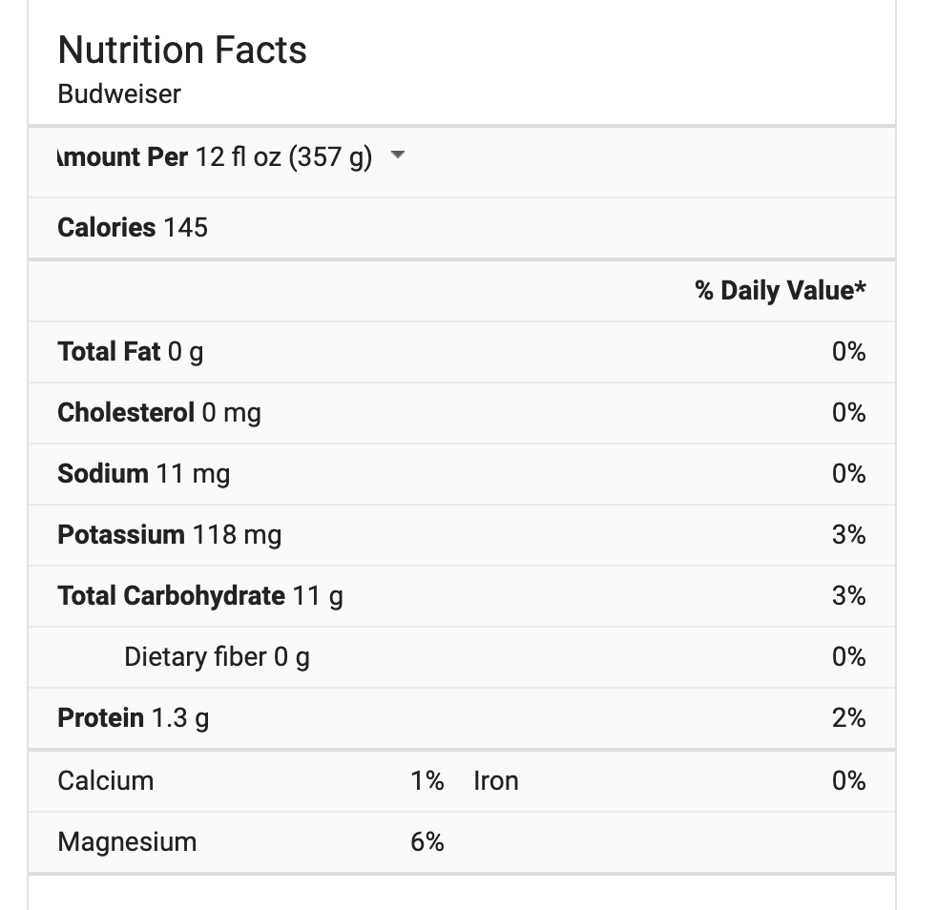
Solute Calculation | Weight | Mole | Volume(L) | Concentration mol/L
Carb | 11 | 0.021808088818 | 0.35488259301 | 0.061451559609
Sodium | 0.011 | 0.00018822724162 | 0.35488259301 | 0.00053039299567
Potassium | 0.118 | 0.0030256410256 | 0.35488259301 | 0.0085257521368
Protein | 1.3 | 2.7999259097E-05 | 0.35488259301 | 7.8897245591E-05
Calcium | 0.013 | 0.000325 | 0.35488259301 | 0.00091579583333
Magnesium | 0.0252 | 0.0010755441741 | 0.35488259301 | 0.0030307042254

Total Conc. |  |  |  | 0.074533102045
Total Mass | 12.4672

